Employee Benefit Calculator
Make | Platina |  |  | Select Make from the drop down
Model | Platina 100 ES NXT |  |  | Select Model from the drop down

 | Employee Benefit Calculator - Finance |  |  |  |  |  | Employee Benefit - Cash Purchase

Enter the loan amount
 | Loan Amount |  | 100000

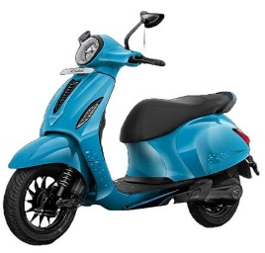
 | General Scheme - 90% LTV |  |  | Employee Scheme |  |  | Tentative discount on Invoice Amount | 1500
Tenure | 12 | 18 | 24 | 12 | 18 | 24
EMI | 9192 | 6506 | 5171 | 8888 | 6110 | 4721
Rate of Interest | 10.30% | 11.40% | 12.05% | 6.65% | 6.65% | 6.65%
Processing Fee (%) | 3.5% | 3.5% | 3.5% | 0.00% | 0.00% | 0.00%
Processing Fee (Amt Rs) | 3500 | 3500 | 3500 | 0 | 0 | 0 | 1. This is Indicative EMI calculator only.
Additional Upfront (Avg) | 400 | 400 | 400 | 0 | 0 | 0 | 2. ROI & PF is considered for BAL 2W general scheme.
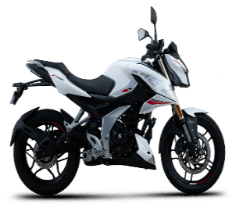
PF* + Other Charges | 3900 | 3900 | 3900 | 0 | 0 | 0 | 3. Cash discount calculation is tentative and based on Pune ORP (It may differ in other cities)

Total Cost to Employee | 114200 | 121000 | 128000 | 106650 | 109975 | 113300
 |  |  |  |  |  |  | 4. Stamp duty/ Govt. charges will be charged separately as per State norms by dealer.
Tentative cash discount on vehicle | NIL | NIL | NIL | 1500
Tentative interest benefit on finance | NIL | NIL | NIL | 7550 | 11025 | 14700
Total Benefit to employee | NIL | NIL | NIL | 9050 | 12525 | 16200

